Sheet1
 |  | ASSIGNMENT-1

 |  | INCOME TAX CALCULATOR

TOTAL INCOME | CHOOSE TAX REGIME | TAXABLE INCOME
8079000 | NEW | 8017000

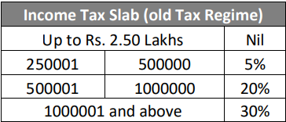
OLD TAX REGIME
BASIC DETAILS | AGE GROUP | 0-60
INCOME DETAILS | INCOME FROM SALARY | 8000000
 | HOUSE PROPERTY | 50000
 | BUISNESS AND PROFESSION | 0
 | CAPITAL GAINS | 25000
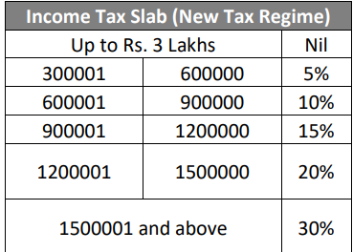
 | OTHER SOURCES | 4000
DEDUCTIONS | BASIC DEDUCTION | 50000
 | Sec 80CCD (1b) (NPS): | 0
 | Sec 80D (Medical premium) | 0
 | Sec 80E (Education loan): | 0
 | Sec 80G (Donations): | 0
 | Sec 80TTA | 0
 | Sec 80TTB | 0
exemption if any | exemption if any | 12000

 | NEW REGIME
Column1 | CHOOSE TAX REGIME | TAXABLE INCOME
OLD TAX REGIME
BASIC DETAILS | AGE GROUP | 0-60
INCOME DETAILS | INCOME FROM SALARY | 8000000
 | HOUSE PROPERTY | 50000
 | BUISNESS AND PROFESSION | 0
 | CAPITAL GAINS | 25000
 | OTHER SOURCES | 4000
DEDUCTIONS | BASIC DEDUCTION | 50000
 | Sec 80CCD (1b) (NPS): | 0
 | Sec 80D (Medical premium) | 0
 | Sec 80E (Education loan): | 0
 | Sec 80G (Donations): | 0
 | Sec 80TTA | 0 |  | NEW | NEW
 | Sec 80TTB | 0 |  |  | OLD
exemption if any | exemption if any | 12000

 |  |  | NEW | OLD
Tax % | FALSE | Tax % | 30
Surcharge | 0 | Surcharge | 0
Tax Amount | 0 | Tax Amount | 30
Income After Tax | 0 | Income After Tax | 30

